Sheet1
 |  | Document No. | Issue No. | Issue Date |  |  | Review and Replace Date |  | Authorised By
 |  | GFF165MC | 1 | 20.03.2020 |  |  | New Issue |  | Magda Shah
 |  | Document Title | ONION BHAJI 80g
Document amendments reason for change |  | New document created |  |  | Page 1 of 1 |  | Previous Issue Date | New Issue | Uncontrolled copy unless signed original

COBHC3-G6T | GAZEBO |  | ONION BHAJI 80g | CHILLED
STEP 1 |  |  |  |  |  | STEP 2
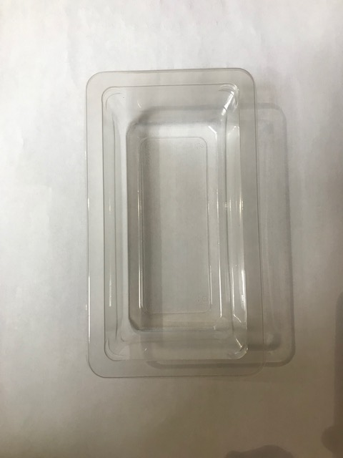 |  |  |  |  |  | 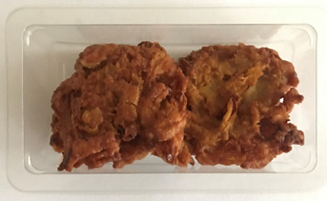 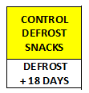 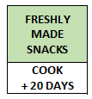

GUS FLASHED PRODUCT

Tray Grab a Bit Plain 274x152x102 ( PKdia001.02) |  |  |  |  |  | 2 x 40g Onion Bhaji 80g (GFF121R) |  |  | Total Weight: 80g
Film PKWRAA001-03 ( 380 MYLAR25RL52AF)
ALLERGY ALERT: NONE

